Final view - KPI
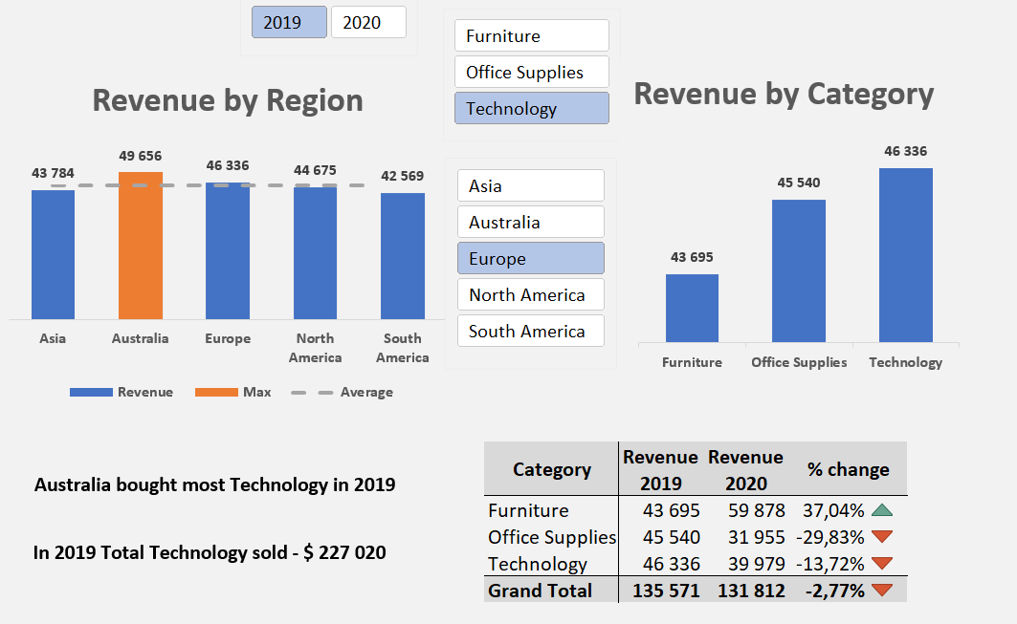

Dashboard_Dinamic
Sales Prediction

Revenue by Region
 | Sum of Revenue | Max | Average
Asia | $211,293 | $- | $224,446
Australia | $174,663 | $- | $224,446
Europe | $267,383 | $267,383 | $224,446
North America | $249,429 | $- | $224,446
South America | $219,464 | $- | $224,446
Revenue by Category
 | Total
Furniture | 372900
Office Supplies | 322418
Technology | 426914

Category | Revenue | Revenue
 | 2109 | 2020 | % change
Furniture | 185783 | 187117 | 0.72% | 0.72%
Office Supplies | 162644 | 159774 | -1.76% | -1.76%
Technology | 227020 | 199894 | -11.95% | -11.95%
Grand Total | 575447 | 546785 | -4.98% | -4.98%

